Introduction
Raw Material Introduction Request Form

Form Revision: December 10, 2020

PPG
One PPG Place, Pittsburgh, Pennsylvania 15272 USA

 | Global EH&S and Purchasing Requirements

PPG is a global manufacturer of quality paints, coatings and related products to the automotive, industrial, aerospace and consumer markets. This Raw Material Introduction Request form must be completed because we wish to submit one of your products to our Raw Material Management team for a product stewardship review.

The material you supply to PPG may be transported or incorporated into products that are transported anywhere in the world. In order to accomplish this task legally and safely, and for PPG to fulfill its commitments to the Responsible Care® initiative, PPG is required to obtain this information on all of our raw materials. For this reason, please provide answers to all of the questions for all of the regions.

The form consists of this cover letter along with 5 additional tabs, one for each section of data required. The required fields are shaded in gray throughout the form. Please complete all sections of this form, including the "Information Provided by" (Section B), and return it to the PPG contact specified in the Contact section of the form as quickly as possible. Contact the requestor or your purchasing agent if you have questions regarding the completion of the form.

Sincerely,
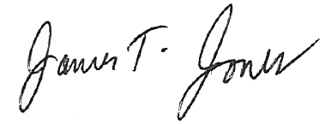

Mark Cancilla |  | James T. Jones
Vice President, Environmental Health & Safety |  | Vice President, Procurement

